alert
Sex | Age | Education level | Eating habits | How often do you consume caffeine? | Do you use any topics? | Are you a regular smoker? | When do you usually consume caffeine? | Do you drink caffeine alone or with others? | What forms of caffeine do you consume? | What kind of coffee do you prefer? | How does caffeine affect your mood and energy levels? (e.g. happy, calm, focused, anxious, alert, satisfied, sleepy etc.) (μπορείτε να απαντήσετε και στα ελληνικά) | Have you ever experienced negative side effects from consuming caffeine (nervousness, anxiety, stomach problems, insomnia, arrythmia etc.)? | Do you find it difficult to function without caffeine? (μπορείτε να απαντήσετε και στα ελληνικά) | Do you feel like you've developed a tolerance to caffeine over time? | How does caffeine affect your sleep patterns & health? (μπορείτε να απαντήσετε και στα ελληνικά) | Have you ever tried to reduce or cut off your caffeine consumption? If so, why and how did it go? (μπορείτε να απαντήσετε και στα ελληνικά) | Do you believe that caffeine has any long-term health effects, and if so, what concerns do you have? (μπορείτε να απαντήσετε και στα ελληνικά)
female | <24 | high school | non-restricted | 2 or 3 cups / month | milk | no | around 5-6pm | both | coffee | espresso | Υπερκινητικότητα | Yes | No | No | My stomach aches & I need to use the toilet |  | Επηρεάζει τον ύπνο(αϋπνία)
female | <24 | bachelor's degree | non-restricted | rarely | sugar | no | around 1pm | both | energy drinks | espresso | I don’t think it affects my mood, just being alert | Yes | No | No | I feel fine | I don’t consume that often so no | My biggest one is the increased heart rate or addiction to caffeine
male | <24 | bachelor's degree | non-restricted | 2 or 3 cups / day | no | no | 1st when I wake up, 2nd aroung 12-2 and 3rd around 6 | both | coffee | instant | alert | Yes | No | No | I feel fine | just experimentally | I believe that, after a lot consumption of coffee , our system doesn't have the same effects and in energy consumption , awareness etc
female | 30-35 | bachelor's degree | non-restricted | 2 or 3 cups / day | no | no | when I wake up | both | coffee | greek | alert | Yes | No | Maybe | My heart rate increases | I tried to cut down on caffeine as i developed a problem with blood pressure | no
female | <24 | high school | non-restricted | 2 or 3 cups / day | no | yes | when I wake up | both | coffee | espresso | Alert | Yes | Yes | Yes | My stomach aches & I need to use the toilet | No | I belived that consuming coffeine will affect my stomach
female | <24 | high school | non-restricted | 2 or 3 cups / day | milk | no | around 10-11am | both | coffee | latte | Focused + Alert | Yes | Yes | Yes | I can't sleep easily | Όχι | Increased anxiety levels
male | <24 | bachelor's degree | non-restricted | 1 cup / day | sugar | no | when I wake up | both | coffee | latte | Alert, happy | Yes | Sometimes | No | I can't sleep easily | yes, in order to not depend on it. | yes, in small ages it affects the development of nerves. It is also a factor that increases the probability of cancer.
male | 41-48 | master's degree | non-restricted | 1 cup / day | sugar | no | around 10-11am | alone | coffee | greek | μου δίνει ενέργεια και συγκέντρωση | No | Yes | Yes | I feel fine | μείωσα την κατανάλωση καφέ από 2 φλυτζάνια σε 1 φλυτζάνι ημερησίως για να μην υπάρξει μεγάλη εξάρτηση από την καφεΐνη | σε μικρές δόσεις πρόσληψης δρα έως και ωφέλιμα για την υγεία
female | 49-55 | bachelor's degree | non-restricted | 1 cup / day | milk | no | around 10-11am | both | coffee | greek | με ενεργοποιεί και μου ανεβάζει τη διάθεση | Yes | Sometimes | Maybe | I can't sleep easily | προσπάθησα να μειώσω την κατανάλωση καφέ αλλά μου ήταν αρκετά δύσκολο | εάν κάποιος καταναλώνει υπερβολικά καφεΐνη τότε δημιουργούνται προβλήματα υγείας, σε διαφορετική περίπτωση η καφεΐνη βοηθάει τη λειτουργία της μνήμης και του εγκεφάλου
male | <24 | high school | non-restricted | 2 or 3 cups / week | milk | no | around 10-11am | alone | coffee | fredo | Focused-alert | Yes | No | Maybe | I feel fine | Nope | Antioxidant properties from the substance called phenol which may combat inflammatory pathway,obesity etc
female | 30-35 | master's degree | non-restricted | 2 or 3 cups / day | no | no | around 5-6pm | both | coffee | espresso | alert | Yes | Yes | Maybe | I can't sleep easily | No | No

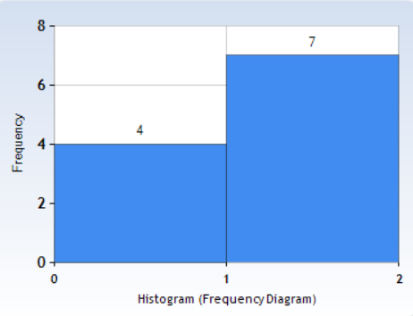
Participants who feel alert after coffee

Female

Male

focused
Sex | Age | Education level | Eating habits | How often do you consume caffeine? | Do you use any topics? | Are you a regular smoker? | When do you usually consume caffeine? | Do you drink caffeine alone or with others? | What forms of caffeine do you consume? | What kind of coffee do you prefer? | How does caffeine affect your mood and energy levels? (e.g. happy, calm, focused, anxious, alert, satisfied, sleepy etc.) (μπορείτε να απαντήσετε και στα ελληνικά) | Have you ever experienced negative side effects from consuming caffeine (nervousness, anxiety, stomach problems, insomnia, arrythmia etc.)? | Do you find it difficult to function without caffeine? (μπορείτε να απαντήσετε και στα ελληνικά) | Do you feel like you've developed a tolerance to caffeine over time? | How does caffeine affect your sleep patterns & health? (μπορείτε να απαντήσετε και στα ελληνικά) | Have you ever tried to reduce or cut off your caffeine consumption? If so, why and how did it go? (μπορείτε να απαντήσετε και στα ελληνικά) | Do you believe that caffeine has any long-term health effects, and if so, what concerns do you have? (μπορείτε να απαντήσετε και στα ελληνικά)
female | <24 | bachelor's degree | non-restricted | 1 cup / day | no | no | when I wake up | both | coffee | greek | Focused, satisfied, energetic, sometimes anxious when I consume more than usual | Yes | No | No | I feel fine | I never had to, because I don't consume much | If one consumes lots of caffeine in a daily basis I believe problems might arise regarding sleep patterns, exhaustion when caffeine fades off and anxiety.
male | <24 | bachelor's degree | non-restricted | 2 or 3 cups / day | no | no | 8am-4pm | both | coffee | brew | focused mostly | Yes | Sometimes | Yes | I feel fine | Yeah I try to not drink after 5pm so I can sleep better/easier | It probably does but that degree won't finish itself.
male | 25-29 | bachelor's degree | non-restricted | rarely | milk | no | around 10-11am | with others | coffee | espresso | focused | Yes | No | Maybe | I can't sleep easily | I have tried to reduce my caffeine consumption and it went well. I used to drink coffee quite regularly and that messed with my sleeping schedule so I reduced the amount of coffee that I was drinking. | Unless you are addicted to caffeine so much so that you can't "live" without it, I don't think it has any long term health effects.
male | 25-29 | PhD | non-restricted | 1 cup / day | milk | no | around 10-11am | both | coffee | fredo | Happy and focused | No | Sometimes | No | I feel fine | No | No i don't believe that.
female | <24 | master's degree | non-restricted | 1 cup / day | sugar | no | around 10-11am | both | coffee | latte | calm, focused | Yes | Sometimes | No | My heart rate increases | no | yes, it will affect my heart rate and my gut health
male | 36-40 | master's degree | non-restricted | 2 or 3 cups / day | sugar | yes | when I wake up | both | coffee | espresso | Focused | No | Yes | Maybe | I feel fine | No | No
female | <24 | high school | non-restricted | 2 or 3 cups / day | milk | no | around 10-11am | both | coffee | latte | Focused + Alert | Yes | Yes | Yes | I can't sleep easily | Όχι | Increased anxiety levels
female | 25-29 | bachelor's degree | non-restricted | 1 cup / day | no | no | around 10-11am | both | coffee | greek | Focused | Yes | Yes | Yes | I feel fine | Σε περιόδους εξετάσεων έπινα έως και 4 καφέδες την ημέρα. Από ένα σημείο και έπειτα μου προκαλούσαν υπνηλία, επομένως αναγκάστικα να σταματήσω/μειώσω την ποσότητα, ώστε να επανέλθει η δράση του. | Οι μεγάλες ποσότητες σε καθημερινή βάση μπορεί να δημιουργήσουν προβλήματα στο γαστρεντερολογικό σύστημα, αλλά και στο καρδιακό. Επομένως, η κατανάλωση του είναι προτιμότερο να γίνεται με μέτρο (καθημερινά ή μη).
female | <24 | high school | non-restricted | 1 cup / day | milk | no | multiple times a day-when i wake up, around 1pm, around 5-6pm | both | coffee | fredo | focused, less sleepy, satisfied, calm | Yes | Yes | Yes | After a couple of hours I feel extremely sleepy | yes, I would consume 4 cups minimum per day at some point and tried to stop cold turkey but i felt tired and got severe headaches. I couldn't keep it up and just tried to stick to 1-2 cups per day | I am concerned as it has impacted my ability to focus without drinking/having drunk coffee and my ability to stay energized on my own- my sleeping quality as well. I'm not really worried about any long term effects but I have realized I've become dependent and it doesn't feel great
male | 41-48 | master's degree | non-restricted | 1 cup / day | sugar | no | around 10-11am | alone | coffee | greek | μου δίνει ενέργεια και συγκέντρωση | No | Yes | Yes | I feel fine | μείωσα την κατανάλωση καφέ από 2 φλυτζάνια σε 1 φλυτζάνι ημερησίως για να μην υπάρξει μεγάλη εξάρτηση από την καφεΐνη | σε μικρές δόσεις πρόσληψης δρα έως και ωφέλιμα για την υγεία
male | <24 | high school | non-restricted | 2 or 3 cups / week | milk | no | around 10-11am | alone | coffee | fredo | Focused-alert | Yes | No | Maybe | I feel fine | Nope | Antioxidant properties from the substance called phenol which may combat inflammatory pathway,obesity etc
Participants who feel focused after coffee
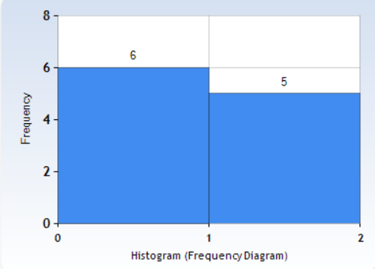

Male
Female

calm
Sex | Age | Education level | Eating habits | How often do you consume caffeine? | Do you use any topics? | Are you a regular smoker? | When do you usually consume caffeine? | Do you drink caffeine alone or with others? | What forms of caffeine do you consume? | What kind of coffee do you prefer? | How does caffeine affect your mood and energy levels? (e.g. happy, calm, focused, anxious, alert, satisfied, sleepy etc.) (μπορείτε να απαντήσετε και στα ελληνικά) | Have you ever experienced negative side effects from consuming caffeine (nervousness, anxiety, stomach problems, insomnia, arrythmia etc.)? | Do you find it difficult to function without caffeine? (μπορείτε να απαντήσετε και στα ελληνικά) | Do you feel like you've developed a tolerance to caffeine over time? | How does caffeine affect your sleep patterns & health? (μπορείτε να απαντήσετε και στα ελληνικά) | Have you ever tried to reduce or cut off your caffeine consumption? If so, why and how did it go? (μπορείτε να απαντήσετε και στα ελληνικά) | Do you believe that caffeine has any long-term health effects, and if so, what concerns do you have? (μπορείτε να απαντήσετε και στα ελληνικά)
female | <24 | high school | non-restricted | 2 or 3 cups / day | milk | yes | when I wake up | alone | coffee | brew | Calm | Yes | Yes | Yes | After a couple of hours I feel extremely sleepy | ναι δεν τα καταφερα καθώς οταν δεν καταναλώνω καφεΐνη εχω ημικρανίες | Οσον αφορα τις ημικρανίες μου
male | 30-35 | master's degree | non-restricted | 2 or 3 cups / day | no | no | when I wake up | with others | coffee | espresso | calm | Yes | Sometimes | Yes | I feel fine |  | yes to the nervous system
female | <24 | master's degree | non-restricted | 1 cup / day | sugar | no | around 10-11am | both | coffee | latte | calm, focused | Yes | Sometimes | No | My heart rate increases | no | yes, it will affect my heart rate and my gut health
female | <24 | master's degree | non-restricted | 1 cup / day | sugar | no | when I wake up | both | coffee | latte | Makes me calmer and satisfied | Regurarly | Sometimes | Maybe | My stomach aches & I need to use the toilet | I have because I was having stomach troubles very easily after dealing with stress at a period of my life and it’s going great so far. I can go days without drinking any coffee and I don’t particularly miss it. | I think addiction is number one, then comes stomach and maybe sleep problems too.
female | <24 | high school | non-restricted | 1 cup / day | milk | no | multiple times a day-when i wake up, around 1pm, around 5-6pm | both | coffee | fredo | focused, less sleepy, satisfied, calm | Yes | Yes | Yes | After a couple of hours I feel extremely sleepy | yes, I would consume 4 cups minimum per day at some point and tried to stop cold turkey but i felt tired and got severe headaches. I couldn't keep it up and just tried to stick to 1-2 cups per day | I am concerned as it has impacted my ability to focus without drinking/having drunk coffee and my ability to stay energized on my own- my sleeping quality as well. I'm not really worried about any long term effects but I have realized I've become dependent and it doesn't feel great

Participants who feel calm after coffee
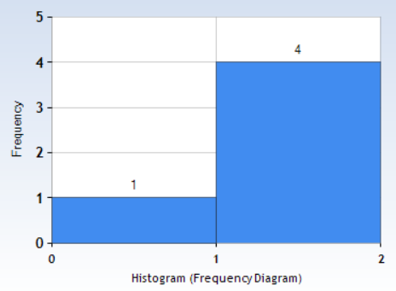

Female

Male

sex
Males
Females
Sex | How much do you consume caffeine? | MALE | 1 cup/day | 2 or 3 cups / day | 2 or 3 cups / month | never/rarely | FEM | 1 cup/day | 2 or 3 cups / day | 2 or 3 cups / month | never/rarely
female | 2 or 3 cups / day |  | 3 | 4 | 3 | 2 |  | 7 | 7 | 2 | 4
female | 2 or 3 cups / month
female | 1 cup / day
male | 2 or 3 cups / week
female | rarely
male | 2 or 3 cups / day
male | 2 or 3 cups / week
female | 2 or 3 cups / day
male | 2 or 3 cups / day
male | never
male | rarely
male | 1 cup / day
female | 1 cup / day
male | 2 or 3 cups / day
female | 1 cup / day
female | 2 or 3 cups / day
male | 2 or 3 cups / day
female | 2 or 3 cups / day
female | 1 cup / day
female | never
female | 2 or 3 cups / month
female | 2 or 3 cups / day
female | 2 or 3 cups / day
female | rarely
female | rarely
male | 1 cup / day
female | 1 cup / day
female | 1 cup / day
male | 1 cup / day
female | 1 cup / day
male | 2 or 3 cups / week
female | 2 or 3 cups / day

age
<24 age
25-29 age
30-35 age
Age | How much do you consume caffeine? | <24 | 1 cup/day | 2 or 3 cups / day | 2 or 3 cups /week | 2 or 3 cups / month | never/rarely | 25-29 | 1 cup/day | 2 or 3 cups / day | 2 or 3 cups /week | 2 or 3 cups / month | never/rarely | 30-35 | 1 cup/day | 2 or 3 cups / day | 2 or 3 cups /week | 2 or 3 cups / month | never/rarely
<24 | 2 or 3 cups / day |  | 5 | 6 | 3 | 2 | 4 |  | 2 | 0 | 0 | 0 | 2 |  | 1 | 4 | 0 | 0 | 0
<24 | 2 or 3 cups / month
<24 | 1 cup / day
<24 | 2 or 3 cups / week
<24 | rarely
<24 | 2 or 3 cups / day
<24 | 2 or 3 cups / week
30-35 | 2 or 3 cups / day
30-35 | 2 or 3 cups / day |  | *from ages 36-55 everyone drinks only 1 cup/day
<24 | never
25-29 | rarely
25-29 | 1 cup / day
30-35 | 1 cup / day
<24 | 2 or 3 cups / day
<24 | 1 cup / day
30-35 | 2 or 3 cups / day
36-40 | 2 or 3 cups / day
<24 | 2 or 3 cups / day
<24 | 1 cup / day
25-29 | never
<24 | 2 or 3 cups / month
<24 | 2 or 3 cups / day
<24 | 2 or 3 cups / day
<24 | rarely
<24 | rarely
<24 | 1 cup / day
25-29 | 1 cup / day
<24 | 1 cup / day
41-48 | 1 cup / day
49-55 | 1 cup / day
<24 | 2 or 3 cups / week
30-35 | 2 or 3 cups / day

stats
Sex | Age | Education level | Eating habits | How much do you consume caffeine? | Do you use any topics? | Are you a regular smoker? | When do you usually consume caffeine? | Do you drink caffeine alone or with others? | What forms of caffeine do you consume? | What kind of coffee do you prefer? | How does caffeine affect your mood and energy levels? (e.g. happy, calm, focused, anxious, alert, satisfied, sleepy etc.) (μπορείτε να απαντήσετε και στα ελληνικά) | Have you ever experienced negative side effects from consuming caffeine (nervousness, anxiety, stomach problems, insomnia, arrythmia etc.)? | Do you find it difficult to function without caffeine? (μπορείτε να απαντήσετε και στα ελληνικά) | Do you feel like you've developed a tolerance to caffeine over time? | How does caffeine affect your sleep patterns & health? (μπορείτε να απαντήσετε και στα ελληνικά) | Have you ever tried to reduce or cut off your caffeine consumption? If so, why and how did it go? (μπορείτε να απαντήσετε και στα ελληνικά) | Do you believe that caffeine has any long-term health effects, and if so, what concerns do you have? (μπορείτε να απαντήσετε και στα ελληνικά) | In Sex: 0=male & 1=female |In Kinds 0=coffee, 1=none, 2=ED,3=tea | In When?: 0=never, 1=all day, 2=morning/when i wake up,3=noon/10am-1pm, 4=afternoon(5-6pm) | In Functionality: 0=no, 1=yes, 2=sometimes | In Tolerance: 0=no, 1=yes, 2=maybe | In Side Effects: 0=no,1=yes,2=regurarly,3=maybe| In Smoking: 0=no & 1=yes | In Age: 1=<24, 2=25-29,3=30-35,4=36-40,4=41-48,5=49-55 | In How much?: 1=1cup/day, 2=2-3 cups/day, 3=2-3 cups/week, 4=2-3 cups/month, 5=rarely,never
1 | 1 | high school | non-restricted | 2 | milk | 1 | 2 | alone | 0 | brew | Calm | 1 | 1 | 1 | After a couple of hours I feel extremely sleepy | ναι δεν τα καταφερα καθώς οταν δεν καταναλώνω καφεΐνη εχω ημικρανίες | Οσον αφορα τις ημικρανίες μου
1 | 1 | high school | non-restricted | 4 | milk | 0 | 4 | both | 0 | espresso | Υπερκινητικότητα | 1 | 0 | 0 | My stomach aches & I need to use the toilet |  | Επηρεάζει τον ύπνο(αϋπνία)
1 | 1 | bachelor's degree | non-restricted | 1 | no | 0 | 2 | both | 0 | greek | Focused, satisfied, energetic, sometimes anxious when I consume more than usual | 1 | 0 | 0 | I feel fine | I never had to, because I don't consume much | If one consumes lots of caffeine in a daily basis I believe problems might arise regarding sleep patterns, exhaustion when caffeine fades off and anxiety.
0 | 1 | bachelor's degree | non-restricted | 3 | milk | 0 | 4 | both | 0 | latte | happy | 3 | 0 | 0 | I feel fine | No | addiction and energy-related health problems
1 | 1 | bachelor's degree | non-restricted | 5 | sugar | 0 | 3 | both | 2 | espresso | I don’t think it affects my mood, just being alert | 1 | 0 | 0 | I feel fine | I don’t consume that often so no | My biggest one is the increased heart rate or addiction to caffeine
0 | 1 | bachelor's degree | non-restricted | 2 | no | 0 | 1 | both | 0 | brew | focused mostly | 1 | 2 | 1 | I feel fine | Yeah I try to not drink after 5pm so I can sleep better/easier | It probably does but that degree won't finish itself.
0 | 1 | bachelor's degree | non-restricted | 3 | sugar | 0 | 3 | with others | 0 | espresso | happy | 1 | 0 | 1 | I feel fine | Tried to cut it off once, due to stomach aches | Have heard that it's associated with cancer development
1 | 3 | bachelor's degree | non-restricted | 2 | no | 0 | 2 | alone | 0 | fredo | happy | 0 | 0 | 0 | I feel fine | no | no
0 | 3 | master's degree | non-restricted | 2 | no | 0 | 2 | with others | 0 | espresso | calm | 1 | 2 | 1 | I feel fine |  | yes to the nervous system
0 | 1 | bachelor's degree | non-restricted | 5 | no | 0 | 0 | both | 1 | fredo | it makes me hyperactive , i can't sleep easy after a coffe almost for a day | 2 | 0 | 0 | I can't sleep easily | yeap , i tried ,and i succeed ,i understood in early stages that it doesnt suit me at all | i dont know but really scares me that it has such an affect in me
0 | 2 | bachelor's degree | non-restricted | 5 | milk | 0 | 3 | with others | 0 | espresso | focused | 1 | 0 | 2 | I can't sleep easily | I have tried to reduce my caffeine consumption and it went well. I used to drink coffee quite regularly and that messed with my sleeping schedule so I reduced the amount of coffee that I was drinking. | Unless you are addicted to caffeine so much so that you can't "live" without it, I don't think it has any long term health effects.
0 | 2 | PhD | non-restricted | 1 | milk | 0 | 3 | both | 0 | fredo | Happy and focused | 0 | 2 | 0 | I feel fine | No | No i don't believe that.
1 | 3 | bachelor's degree | vegan | 1 | sugar | 0 | 2 | both | 0 | fredo | does not effect | 0 | 0 | 0 | no one | ναι, για θεμα υγείας.. πήγε μια χαρα | εαν εχεις καποιο θεμα με την υγεια μπορει ν το επιβαρύνει π.χ θεμα με στομαχι ή εντερο ή αριθμιες η ταχυπαλμίες
0 | 1 | bachelor's degree | non-restricted | 2 | no | 0 | 1 | both | 0 | instant | alert | 1 | 0 | 0 | I feel fine | just experimentally | I believe that, after a lot consumption of coffee , our system doesn't have the same effects and in energy consumption , awareness etc
1 | 1 | master's degree | non-restricted | 1 | sugar | 0 | 3 | both | 0 | latte | calm, focused | 1 | 2 | 0 | My heart rate increases | no | yes, it will affect my heart rate and my gut health
1 | 3 | bachelor's degree | non-restricted | 2 | no | 0 | 2 | both | 0 | greek | alert | 1 | 0 | 2 | My heart rate increases | I tried to cut down on caffeine as i developed a problem with blood pressure | no
0 | 4 | master's degree | non-restricted | 2 | sugar | 1 | 2 | both | 0 | espresso | Focused | 0 | 1 | 2 | I feel fine | No | No
1 | 1 | high school | non-restricted | 2 | no | 1 | 2 | both | 0 | espresso | Alert | 1 | 1 | 1 | My stomach aches & I need to use the toilet | No | I belived that consuming coffeine will affect my stomach
1 | 1 | master's degree | non-restricted | 1 | sugar | 0 | 2 | both | 0 | latte | Makes me calmer and satisfied | 2 | 2 | 2 | My stomach aches & I need to use the toilet | I have because I was having stomach troubles very easily after dealing with stress at a period of my life and it’s going great so far. I can go days without drinking any coffee and I don’t particularly miss it. | I think addiction is number one, then comes stomach and maybe sleep problems too.
1 | 2 | bachelor's degree | non-restricted | 5 | no | 0 |  |  | 1 |  |  |  | 0 |  |  |  | I do believe that caffeine has long term health effects. Most of them include sleeping disorders, increased anxiety and nervousness, increased heart rate and potential heart diseases and also addiction. That's why I choose to not really drink any form of caffeine.
1 | 1 | high school | non-restricted | 4 | milk | 0 | 3 | both | 0 | latte | Δεν έχω παρατηρήσει ιδιαίτερη αλλαγή λόγω καφεΐνης | 3 | 0 | 2 | My stomach aches & I need to use the toilet |  | I think caffeine can negatively affect important brain functions long-term, such as focus, reflexes, etc.
1 | 1 | high school | non-restricted | 2 | milk | 0 | 3 | both | 0 | latte | Focused + Alert | 1 | 1 | 1 | I can't sleep easily | Όχι | Increased anxiety levels
1 | 1 | bachelor's degree | non-restricted | 2 | milk | 0 | 4 | both | 0 | espresso | don’t really see a difference | 1 | 0 | 0 | I feel fine | Not really since i don’t consume that much caffeine | Possibly, maybe in the aspect of heart and stomach health
1 | 1 | bachelor's degree | pescatarian | 5 | milk | 0 | 4 | alone | 0 | fredo | Sleepy | 0 | 0 | 2 | My stomach aches & I need to use the toilet |  | It has long-term health affects and that is why I don't drink it regularly
1 | 1 | bachelor's degree | non-restricted | 5 | sugar | 0 | 2 | with others | 0 | fredo | Sleepy | 0 | 0 | 2 | I feel fine | Yes, it was easy | Yes. It does but they are not necessarily bad. Everything needs to be controlled and controlled amounts of caffeine could do good.
0 | 1 | bachelor's degree | non-restricted | 1 | sugar | 0 | 2 | both | 0 | latte | Alert, happy | 1 | 2 | 0 | I can't sleep easily | yes, in order to not depend on it. | yes, in small ages it affects the development of nerves. It is also a factor that increases the probability of cancer.
1 | 2 | bachelor's degree | non-restricted | 1 | no | 0 | 3 | both | 0 | greek | Focused | 1 | 1 | 1 | I feel fine | Σε περιόδους εξετάσεων έπινα έως και 4 καφέδες την ημέρα. Από ένα σημείο και έπειτα μου προκαλούσαν υπνηλία, επομένως αναγκάστικα να σταματήσω/μειώσω την ποσότητα, ώστε να επανέλθει η δράση του. | Οι μεγάλες ποσότητες σε καθημερινή βάση μπορεί να δημιουργήσουν προβλήματα στο γαστρεντερολογικό σύστημα, αλλά και στο καρδιακό. Επομένως, η κατανάλωση του είναι προτιμότερο να γίνεται με μέτρο (καθημερινά ή μη).
1 | 1 | high school | non-restricted | 1 | milk | 0 | 1 | both | 0 | fredo | focused, less sleepy, satisfied, calm | 1 | 1 | 1 | After a couple of hours I feel extremely sleepy | yes, I would consume 4 cups minimum per day at some point and tried to stop cold turkey but i felt tired and got severe headaches. I couldn't keep it up and just tried to stick to 1-2 cups per day | I am concerned as it has impacted my ability to focus without drinking/having drunk coffee and my ability to stay energized on my own- my sleeping quality as well. I'm not really worried about any long term effects but I have realized I've become dependent and it doesn't feel great
0 | 5 | master's degree | non-restricted | 1 | sugar | 0 | 3 | alone | 0 | greek | μου δίνει ενέργεια και συγκέντρωση | 0 | 1 | 1 | I feel fine | μείωσα την κατανάλωση καφέ από 2 φλυτζάνια σε 1 φλυτζάνι ημερησίως για να μην υπάρξει μεγάλη εξάρτηση από την καφεΐνη | σε μικρές δόσεις πρόσληψης δρα έως και ωφέλιμα για την υγεία
1 | 6 | bachelor's degree | non-restricted | 1 | milk | 0 | 3 | both | 0 | greek | με ενεργοποιεί και μου ανεβάζει τη διάθεση | 1 | 2 | 2 | I can't sleep easily | προσπάθησα να μειώσω την κατανάλωση καφέ αλλά μου ήταν αρκετά δύσκολο | εάν κάποιος καταναλώνει υπερβολικά καφεΐνη τότε δημιουργούνται προβλήματα υγείας, σε διαφορετική περίπτωση η καφεΐνη βοηθάει τη λειτουργία της μνήμης και του εγκεφάλου
0 | 1 | high school | non-restricted | 3 | milk | 0 | 3 | alone | 0 | fredo | Focused-alert | 1 | 0 | 2 | I feel fine | Nope | Antioxidant properties from the substance called phenol which may combat inflammatory pathway,obesity etc
1 | 3 | master's degree | non-restricted | 2 | no | 0 | 4 | both | 0 | espresso | alert | 1 | 1 | 2 | I can't sleep easily | No | No

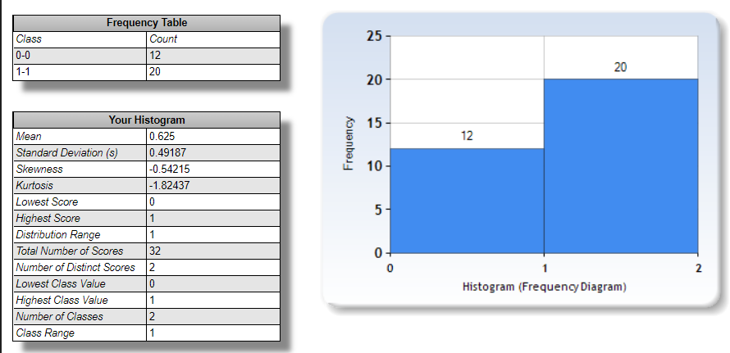
Num of Female | Age Group<24 | Age Group 25-29 | age 30-35 | age 36-40 | age 41-48 | age 49-55 |  | Max caffeine Consumption : 2-3 cups/day |  | Min caffeine Consumption : never |  | Average caffeine consumption: 2-3 cups/day |  | Average time of caffeine consumption: around noon time (from 10am until 2pm)
20 | 20 | 4 | 5 | 1 | 1 | 1 | sum
 | 2 or 3 cups / day | 1 cup/day | 2 or 3 cups / day | 2 or 3 cups / day | 1 cup / day | 1 cup / day | intake
sex percent of participants
Num of Male | 7 males/13 females | 2m/2f | 4f/1m | 1m | male | fem | sex
12 | mostly BD | mostly BD | 3b/2m | master | master | bachelor | edu

Female
participants
Male
participants

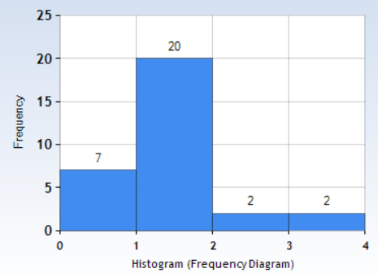
Bad experiences from caffeine
Caffeine tolerance belief
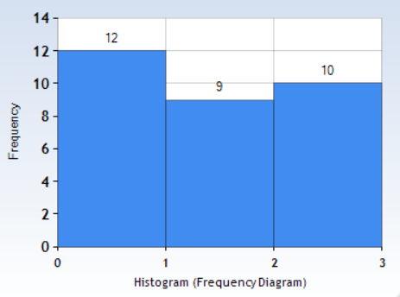
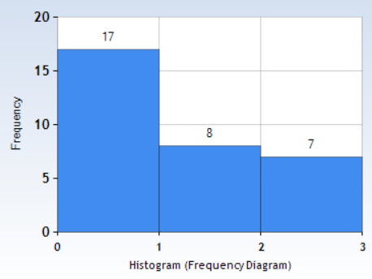
Functionallity without caffeine

Yes

No
Maybe
No
Yes

Yes
No
regularly/maybe
Sometimes

